Fixture Count Data Sheet
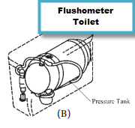
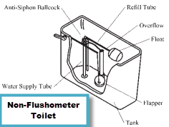
 | Date
 | Name
 | Street Address
 | Town
 | Contact Number:
 | Contact Email:

Fixture Count Sheet - Residential
Type of Fixture | Total Fixtures
Bathtub, whirlpool bath or combo tub/showers
Shower - Stand alone
Lavatory Sink | 0
Kitchen Sink | 0
Dishwasher | 0
Bar Sink | 0
Clothes Washer | 0
Laundry Sink | 0
Service Sink \ Mop Sink | 0
Hose Bib | 0
Hose Bib, each additional | 0
Toilet, 1.6 GPF gravity Tank | 0 | Click here for a definition for this fixture
Toliet, 1.6 GPF Flushometer Valve | 0 | Click here for a definition for this fixture
Toilet, >1.6 GPF Flushometer Valve | 0 | Click here for a definition for this fixture
Urinal*, 1.0 GPF | 0 | Click here for a definition for this fixture
Urinal*, greater than 1.0 GPF | 0 | Click here for a definition for this fixture
* Typically not used in residential applications
Enter estimated GPM for max. irrigation zone | 0 | Click here for a definition for this fixture
Total Fixture Value | 0
Estimated Max. GPM | 0 | Office Use
Estimated Meter Size | 0 | Date Rec'd:
Service Size Required | 0 | Premise #
Est. meter size for irrigation zone load only | 0 | Reviewed/Approved by:
Service Size Required for max irrigation zone | 0

AWWA Meter Table
